ICCT emissions to fuel rates
g/km | km/l
175 | 13.4
150 | 15.6
125 | 18.7
100 | 23.4
75 | 31.2
50 | 46.7
25 | 93.5

g/km | km/l
113 | 20.709724092 | 2021
130 | 18.004733712 | 2016
136 | 17.21139346 | 2012
136 | 17.21139346 | 2011
138 | 16.962267461 | 2010
141 | 16.601821591 | 2009
153 | 15.301305075 | 2006

Rail Calcs
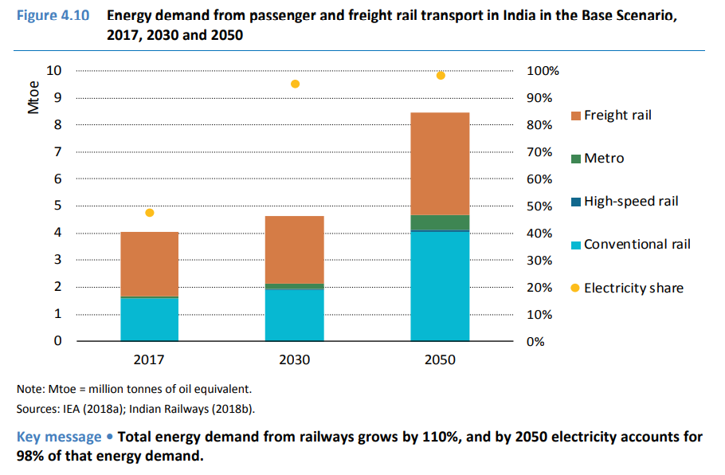
EPS
 | BAADTbVT | AVLo | SYVbT - electric | SYVbT - diesel | Start year cargo-distance, electric | Start year cargo-distance, diesel
passenger | 144352.55774 | 1000 | 3240.4386068 | 3100.9285298 | 4.6776560109E+11 | 4.4762696464E+11
freight | 42880.105933 | 2830 | 3629.5489299 | 1793.0839335 | 4.4044830257E+11 | 2.1759199012E+11

Statistical Summary - Indian Railways
 |  | converted to BTU
Diesel (kilo-liters) | 2778431 | 1.0103198355E+14 |  |  | 5.809339054E+13
Electricity (million kWh) | 16634.17 | 5.6758116824E+13 |  |  | 3.2635917174E+13

IEA | Share of energy demand
energy consumption from passenger | 0.425
energy consumption from freight | 0.575

Calculations
 | diesel | electric
passenger efficiency | 0.010424816774 | 0.019391498614
freight efficiency | 0.0037455550122 | 0.013495815063

liters per gallon | 3.78
BTU per gallon diesel | 137452

